Component Maker (G&JQ0603)
S. No | Job Role | QP Code | NOS | PC | Difficulty Level | Question. | Option - A | Option - B | Option - C | Option - D | Correct Option
1 | HMG - Components | Q0603 | N0601 | PC1 | Easy | Jadav is producing cylindrical shapes from plate or steel metals. What method is he unsing? | Roll forming. | Flat rolling. | Roll bending | Ring rolling | Roll bending
2 | HMG - Components | Q0603 | N0601 | PC1,PC2,PC3 | Moderate | 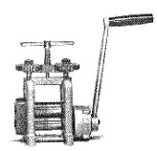 This tool is used uniformly reduce thinkness of metal. What is it called? | Drilling mill | Rolling mill | A Disc cutter | None of these | Rolling mill
3 | HMG - Components | Q0603 | N0601 | PC1,PC5 | Easy | You need to prepare wires of different gauges and also you need to prepare wire of cylindrical shape for your jewelry designs. Which device will solve your purpose and most suitable for the work. | A drawing plate | A drawing tong | Both (i) and (ii) | None of the above | A drawing plate
4 | HMG - Components | Q0603 | N0601 | PC1 | Easy | 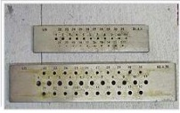 You use this tool to form wires of different gauge, what is the tool? | A drawing plate | A wire panel | A slide caliper | None of the above | A drawing plate
5 | HMG - Components | Q0603 | N0601 | PC2,PC4 | Moderate | Which of the statement is/are true regarding annealing of metals ? a) It is a heat treatment that changes the physical and sometimes chemical properties of a material. b) It increases ductility of the material. c) It reduces hardness of the material thus making it more fragile. | Only (b) & (c) | Only (a) | All (a),(b) & (c) are true | Only (a) & (b) are true | All (a),(b) & (c) are true
6 | HMG - Components | Q0603 | N0601 | PC4,PC5 | Moderate | You are to make a wire thinner by using a draw plate. What lubricant will you use? | Engine oil | Machine oil | Beeswax | Only (ii) & (iii) | Only (ii) & (iii)
7 | HMG - Components | Q0603 | N0601 | PC5, PC6 | Moderate | You have noticed a flaw in day to day process implementation that could cause injuries to your co-workers. You want to recommned some improvement in process. What would you tell your supervisor as reason for your recommendation? | Records of workplace incidents. | Reduce anticipated or repetitive hazards . | Ensure the implementation of corrective actions. | None of the Above. | Reduce anticipated or repetitive hazards .
8 | HMG - Components | Q0603 | N0602 | PC1,PC3 | Difficult | You have to use a gas burner to melt gold. You will want to use an Acetylene gas burner because it attains a temperature of ________ | 2210° C | 2500° C | 1976° C | 1500° C | 2500° C
9 | HMG - Components | Q0603 | N0601 | PC4,PC6 | Difficult | For refining gold, what agent will you use for the process to be most cost effective? | Any bleaching agents can serve the purpose. | Borax is Cheapley used for this purpose. | By adding a minimal proportion of copper. | All of the above. | Borax is Chipley used for this purpose.
10 | HMG - Components | Q0603 | N0601 | PC6 | Easy | Many industrial or jewellery items are made of smaller items which are completely or partially made of gold. What would one generically term such items? | Piece | Component | Item | Mini Unit | Component
11 | HMG - Components | Q0603 | N0601 | PC4 | Easy | As a part of your work you are removing sharp edges, air bubbles and burrs from a metal piece. This process in industry called____ | Polishing | Buffing | Deburring | Texturing | Deburring
12 | HMG - Components | Q0603 | N0601 | PC1,PC3 | Difficult | 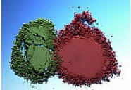 The above shows two oxides which are used as abrasive materials, widely used for polishing jewelery components. You have to identify the two very common oxides shown in the figure. | Red: Ferric Oxide. Green: Alluminium Oxide. | Red: Ferric Oxide. Green: Chromic Oxide. | Red: Potasium Oxide. Green: Chromic Oxide. | Red: Potasium Oxide. Green: Lead Oxide. | Red: Ferric Oxide. Green: Chromic Oxide.
13 | HMG - Components | Q0603 | N0603 | PC4,PC6 | Easy | Which one of the following(s) is/are not a part of a Hand File? a) Cutting Edges. b) Belly. c) Tang . d) Heel. | Only (a) | All are parts of a Hand File | Only (b) & (c) | Only (d) | All are parts of a Hand File
14 | HMG - Components | Q0603 | N0601 | PC5,PC6 | Difficult | Which one of the following statement(s) is/are correct about Pickles, used in jewellery industry ? a) Pickle is a liquid compound used to remove oxidation and flux from newly soldered jewelry. b) Pickle works best when it’s heated. c) Pickles are of both biodegradable and non – biodegradable type. d) In best practice pickles are used both before and after soldering a metal. | All are correct. | Only (b),(c),(d) are correct | Only (a) & (c) are correct | Only (a) & (b) are correct | All are correct.
15 | HMG - Components | Q0603 | N0602 | PC1,PC3,PC5 | Easy | You choose this set of files to finish and shape your metal. One of the biggest advantages of this type of file is that they have a smooth edge on one side so they don’t mark the metal when you are filing in tight spaces. They come in various shapes – round, half round, square, triangle, flat and barrett. Essentially it is a very useful tool for your purpose. What is this set of files known as? | Flat Files. | Needle Files | Hand Files | Broacher File | Needle Files
16 | HMG - Components | Q0603 | N0602 | PC1,PC2 | Easy | 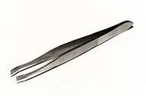 Above picture is an example of tweezer, that you use for holding hot component of various shape at your work place. What perticular type of tweezer you are holding ? | A niddle tip tweezer | A round tip tweezer | A Flat tip tweezer | None of the above | A Flat tip tweezer
17 | HMG - Components | Q0603 | N0602 | PC6,PC4 | Easy | 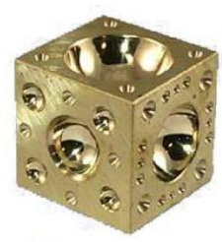 The tool in the above figure is known as_______ | Pickling tank | Doming block | Disc maker | None of these | Doming block
18 | HMG - Components | Q0603 | N0602 | PC3,PC4 | Difficult | A taper provided on the pattern for its easy and clean withdrawal from the mould is known as__ | Machine allowance | Distortion allowance | Draft allowance | Shrinkage allowance | Draft allowance
19 | HMG - Components | Q0603 | N0602 | PC6,PC3 | Difficult | While melting a jewelery metal you observe that new grains have started forming in the metal. The temperature indicator shall point on which of the following temperature? | Lower critical temperature | Subcritical temperature | Recrystallization temperature | Upper critical temperature | Upper critical temperature
20 | HMG - Components | Q0603 | N0602 | PC2,PC3 | Moderate | The cross-section of a chisel is usually___ | Hexagonal. | Square. | Octagonal. | Either ( A ) or ( C ) | Either ( A ) or ( C )
21 | HMG - Components | Q0603 | N0601 | PC1, PC2 | Easy | The Rolling mill is mainly used for _____________ | Strengthening the metal sheet | Enhancing the capabilities of designing a metal sheet | Reducing the thickness of sheet metal | All of these | Reducing the thickness of sheet metal
22 | HMG - Components | Q0603 | N0602 | PC1,PC2,PC3,PC4,PC5 | Easy | In your workshop you keep tri-square, combination square, framing square and bevel set tool at a separate block. What will you name this block? | Marking tool | Clamping tool | Measuring tool | Finding tool | Measuring tool
23 | HMG - Components | Q0603 | N0602 | PC5,PC6 | Easy | A divider is used for___ | Scribing Circle. | None of the given option is correct. | Scribing Arcs. | Transferring and stepping of distance. | Transferring and stepping of distance.
24 | HMG - Components | Q0603 | N0602 | PC3,PC1 | Moderate | If you are removing chips from the metal, then which among the following would be a part of your work? | Grinding. | Annealing. | Cutting & Finishing. | Burnishing | Grinding.
25 | HMG - Components | Q0603 | N0603 | PC1 | Easy | 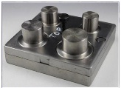 Identify the device from the following:- | A die forming kit | A disc cutter | A blanking die | A dapping tool | A disc cutter
26 | HMG - Components | Q0603 | N0601 | PC5,PC6 | Moderate | The ability of a metal to be drawn into wire is a measure of its__ | Ductility | Hardness | Malleability | Toughness | Ductility
27 | HMG - Components | Q0603 | N0604 | PC5,PC4 | Easy | 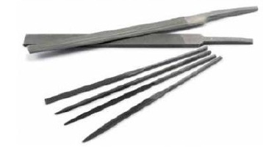 Identify the tool. | Pliers. | Files. | Sanding Sticks. | None of these. | Files.
28 | HMG - Components | Q0603 | N0602 | PC1,PC3 | Moderate | Rose gold is an alloy of ____ | Gold and Copper | Gold and tin | Gold and Manganese | Gold and Nickel | Gold and Copper
Statement Linked Question : 29 - 30.
Based on the passage answer the question : You have to make a gold metal sheet thin.For that you are holding the sheet with a drawing tong and using a gas burner to heat it. You found that after some time the sheet starts melting. You quickly Switched off the burner and left the hot metal in the sand tray to cool down.
29 | HMG - Components | Q0603 | N0603 | PC2 | Easy | What was the temperature reading when you switched off the gas burner? | 900°C | 1064°C | 1532°C | 1121°C | 1064°C
30 | HMG - Components | Q0603 | N0602 | PC3 | Difficult | During melting gold what other substance you should have with you | Flux, a substance made of Borax | A glass made stirring rod, with which you can stir the gold as it melts | Gloves,Mask and Eye Protecton. | All of them. | All of them.
31 | HMG - Components | Q0603 | N0603 | PC2,PC3 | Moderate | 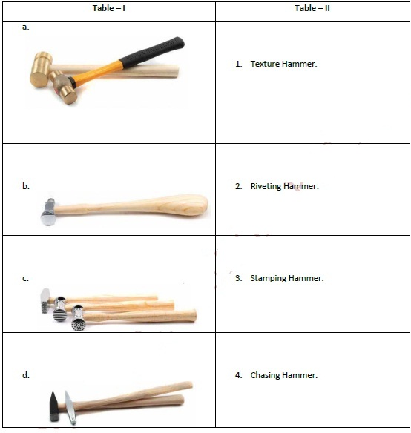 Match the following and choose the correct alternative. | a – 1, b – 2, c – 3, d – 4. | a – 3, b – 4, c – 1, d – 2. | a – 3, b – 2, c – 4, d – 1. | a – 4, b – 2, c – 1, d – 3. | a – 3, b – 4, c – 1, d – 2.
32 | HMG - Components | Q0603 | N0603 | PC2,PC8 | Moderate | Red gold is an alloy of gold mixed with ____ | Nickel | Tin | Copper | None of the above | Copper
33 | HMG - Components | Q0603 | N0603 | PC2,PC3 | Moderate | In sheet blanking, shear is provided on punches and dies so that__ | Warping of Sheet is minimized | Cut blanks are straight | Good cut edge is obtained | Press load is reduced | Press load is reduced
34 | HMG - Components | Q0603 | N0603 | PC1,PC2 | Easy | Which metal(s) is/are called coinage metal? | Copper | Gold & Silver | Copper & Silver | Gold, Copper & Silver together called as noble metal | Gold, Copper & Silver together called as noble metal
35 | HMG - Components | Q0603 | N0603 | PC6,PC7,PC8 | Moderate | Most sheet metal stamping uses materials: | .020” to .080” thick | .050” to .125” thick | .001” to 1.000” thick | .010” to .060” thick | .020” to .080” thick
36 | HMG - Components | Q0603 | N0603 | PC7 | Easy | Ductility refers to a material’s ability to: | Resist penetration. | Resist corrosion. | Bend over upon itself | Deform and elongate | Deform and elongate
37 | HMG - Components | Q0603 | N0603 | PC3,PC4 | Easy | A compound die is a die that performs: | Hemming and flanging | Blanking and punching | Bending only | Hole punching only | Blanking and punching
38 | HMG - Components | Q0603 | N0603 | PC1 | Moderate | The device(s) used to insure die component alignment are called: | Roller bearings | Ways | Guide pins | "v" grooves | Guide pins
39 | HMG - Components | Q0603 | N0603 | PC1,PC3 | Moderate | The terms drawing, flanging, and hemming are examples of: | Forming | Punching | Slitting | Extruding | Forming
40 | HMG - Components | Q0603 | N0603 | PC3,PC5,PC7 | Easy | A carrier strip is used with: | Transfer dies | Progressive dies | Tandem presses | Combination dies | Progressive dies
41 | HMG - Components | Q0603 | N0601 | PC2,PC3 | Easy |  Identify the tool. | Degree Gauge. | slide caliper | Traingular File. | None of these. | Degree Gauge.
42 | HMG - Components | Q0603 | N0603 | PC7,PC2 | Easy | The principle function of a lubricant in press stamping is to | Cool the dies | Enable easy stack removal | Prevent wrinkling | Minimize tool contact to the work | Minimize tool contact to the work
43 | HMG - Components | Q0603 | N0603 | PC6,PC8 | Easy | As you worked with the measuring tools everyday it is essential tocalibrate this tools. The accuracy of micrometer, calipers, dial indicators can be checked by a____ | Plug Gauge | Feeler gauge | Slip gauge | Ring gauge | Slip gauge
44 | HMG - Components | Q0603 | N0603 | PC6,PC5 | Moderate | Circle Grid Analysis, or CGA, is used to: | Calculate tonnage exerted on the work. | Predict deformation distances. | Finalize die design | Determine optimum press speed | Finalize die design
45 | HMG - Components | Q0603 | N0604 | PC7 | Moderate | Certain impurities, including silicon embrittles gold. It is best advised not to work with such gold. Any attempt at working embrittled material will result in _________ for the metal. | Rough surface. | Crack | frazile | All of them. | Crack
46 | HMG - Components | Q0603 | N0603 | PC2,PC4,PC6 | Easy | What is embossing? | It refers to a process of forming pattern on both sides of the metal | It refers to a process of forming pattern on single side of the metal | It refers to a process of purification of the metal | None of the above | It refers to a process of forming pattern on both sides of the metal
47 | HMG - Components | Q0603 | N0603 | PC7,PC8 | Moderate | Which of the following statements apply to Punching? | Performs in cold with significantly change the volumetric shape of the work piece | Performs in cold without significantly change the volumetric shape of the work piece | Performs in hot with significantly change the volumetric shape of the work piece | Performs in hot without significantly change the volumetric shape of the work piece | Performs in hot without significantly change the volumetric shape of the work piece
48 | HMG - Components | Q0603 | N0604 | PC1 | Moderate | Annealing process is used for_________ | Softening the metal. | Hardening the metal | Purifying the metal | All of these | Softening the metal.
49 | HMG - Components | Q0603 | N0604 | PC1,PC2,PC3,PC4,PC5,PC6 | Easy | Which among the following is not a type of Jewelry chain? | Anchor Chain | Boston Link Chain | Crimpable Chain | All of these are types of jewelry chain | All of these are types of jewelry chain
50 | HMG - Components | Q0603 | N0604 | PC3,PC5 | Easy | Based on the given information identify the tool. | Nail Buffer. | Sanding sticks. | Kiln brick stick. | None of these. | Nail Buffer.
51 | HMG - Components | Q0603 | N0604 | PC7 | Moderate | During rolling of metals, using a rolling mill, what are the types of fault you may obseve as they generally occur when metal sheets are lolled? | Lap. | Rolled – in – scale | Scabs | All of the above | All of the above
52 | HMG - Components | Q0603 | N0604 | PC5 | Moderate | Which step is the step to get a smooth bright high luster final finish? | Buffing | Polishing | Deburring | None of these. | Buffing
53 | HMG - Components | Q0603 | N0604 | PC3,PC5 | Easy | When you are finished with your ball making, to provide a good finish your supervisor advised you to use a emery paper and hand towel to provide a good finish. How are these two material is used? | Emery paper used for grinding & smoothening of the surface of metal and hand towel used for holding the ball. | Emery paper used for polishing the gemstone & hand towel used for holding the ball. | Emery paper used for Burnishing the gemstone and hand towel is for holding the ball. | None of the above | Emery paper used for grinding & smoothening of the surface of metal and hand towel used for holding the ball.
Statement linked Question 54 to 55
Answer the questions based on the given information : Incorrect cooling conditions after annealing can, paradoxically, lead to hardening rather than softening in some karat golds. On subsequent working, the material cracks. Golds in the red to yellow range, 8k to 18k, should be rapidly cooled after annealing by quenching directly in water; this maintains a soft ductile condition, whereas slow cooling results in hardening. Repairers should also anneal and water quench such jewelry items before re-sizing or repair for this reason. Over-annealing the metal at too high a temperature and/or for too long a time can also result in cracking. Over-annealing produces a large, coarse grain size, and subsequent deformation can lead to premature cracking and fracture, as well as an “orange peel” surface. This is a problem particularly with torch annealing, where the capability to control temperature is limited. It is human nature to get the metal really hot and give it a bit of extra time to “make sure” that it is soft enough. Instead, avoid over-annealing by taking extra care to anneal the metal at the lowest effective temperature and time. The issue of cracking arising during the fabrication of karat gold jewelry, or later during service or repair, can be complex. Although there are well-defined causes for cracking, a crack’s appearance is not uniquely associated with one particular cause. Establishing the precise reason for failure may require specialized equipment and knowledge. The situation may be further complicated by defects that arise as a result of more than one cause. However, there are probably two aspects of manufacturing that contribute most to minimizing the production of defective or scrap jewelry products: First, a good understanding of the metallurgy of the karat golds and, second, the establishment of good manufacturing practice for materials and products-and the strict adherence to those practices.
54 | HMG - Components | Q0603 | N0604 | PC3,PC5 | Easy | In order to avoid faulting of metal during annealing process one must | Rapidly anneal and cool all type of metals. | slowly anneal and cool all type of metals. | follow the annealing table where max temperature, time and cooling process mentioned for different material | Either (A) or (B) | follow the annealing table where max temperature, time and cooling process mentioned for different material
55 | HMG - Components | Q0603 | N0604 | PC6 | Easy | Which of the following is not an objective of annealing process. | Softening a metal | Improving machinability | Enhancing electrical conductivity | Hardening a metal | Hardening a metal
56 | HMG - Components | Q0603 | N0604 | PC2,PC6 | Moderate | While annealing a metal sheet using a gas torch, it is found that it has produced an orange peel surface as well as premature crack and fracture, what could be the reason behind this. | Improper cooling of the annelad metal sheet. | Gas torch concentrates heat at one point, due to that all the surface of the metal did not heated proportionately | Over annealing | None of these. | Over annealing
57 | HMG - Components | Q0603 | N0604 | PC3,PC6 | Easy | You receive a faulty wire strip. When you tried to roll it the wire gets fractured. Your immediate reaction would be______ | Start annealing the metal once agin to rectify its fault. | Throw it to the garbage box. | Handed over the parts to the supervisor and explain him/her about the difficulties you faced. | None of these. | Handed over the parts to the supervisor and explain him/her about the difficulties you faced.
58 | HMG - Components | Q0603 | N0601 | PC1,PC2 | Moderate | You intend to cut some soft wire. While demonstrating the process your supervisor chooses a special plier from among a bunch of pliers. Which plier did he choose? | Long nose pliers | Wire strippers | Locking pliers | Diagonal cutters | Diagonal cutters
59 | HMG - Components | Q0603 | N0604 | PC2,PC6 | Easy | Which tool is used for laying out large circle? | Jenny Caliper | Trammel | Scriber | Divider | Trammel
60 | HMG - Components | Q0603 | N0604 | PC3,PC4 | Moderate | Which of the following angle does not occur with tools for cutting and shaping [file chisels] | Wedge angle | Rake angle | Fracture angle | Clearance angle | Fracture angle
61 | HMG - Components | Q0603 | N0604 | PC1,PC3,PC5 | Easy | Your supervisor asked you to make a chain similer like the one shown in the picture, and also asked you to write its appropriate name when reporting. What type of chain did he asked you to prepare? | Byzantine Chain | Briolette Chain | Boston Link Chain | Bead Chain | Briolette Chain
62 | HMG - Components | Q0603 | N0603 | PC1 | Moderate | Very often it is found that jewelers prefer Mallet to a regular hammer for shaping the components. What could be the reason behind this? | Mallets are easy to handle as they are very light. | Mallets are made of very hard metals and due to this it is heavier than any other hammer.That is why it would require very less time and effort to stamp or shape the component. | are made of softer material than steel hammers; e.g. rubber, nylon, rawhide, wood, plastic. They are used for hammering without leaving behind unsightly marks. The mallet head normally has a flat or slightly convex striking surface. | None. | are made of softer material than steel hammers; e.g. rubber, nylon, rawhide, wood, plastic. They are used for hammering without leaving behind unsightly marks. The mallet head normally has a flat or slightly convex striking surface.
63 | HMG - Components | Q0603 | N0603 | PC3,PC4,PC7 | Moderate | 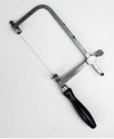 Identify the tool. | 1 C Clamp | Jeweler saw blade. | Jeweler's Saw frame. | Half round file. | Jeweler's Saw frame.
64 | HMG - Components | Q0603 | N0601 | PC2,PC3,PC4 | Difficult | A pickling solution typically consists of __________ | A Borax flux and water solution | A week acid | A week base | All of them can be possible | A week acid
65 | HMG - Components | Q0603 | N0601 | PC2,PC3,PC4 | Difficult | Lead is added to the unrefined gold and then the mixture is heated in air to between 1830° F and 2010° F in order to eliminate impurities in the gold, this process is known as _________ | Cupellation | Inquartation | Fizzer Cell process. | None of these. | Cupellation
66 | HMG - Components | Q0603 | N0603 | PC2,PC7 | Easy | This wooden piece can be held in the hand or stabilized against a bench pin to hold rings or smaller metal pieces.Based on the information identify the tool. | Ring clamp. | Flat clamp. | Stabilizing clamp. | None. | Ring clamp.
67 | HMG - Components | Q0603 | N0604 | PC1,PC2 | Moderate | 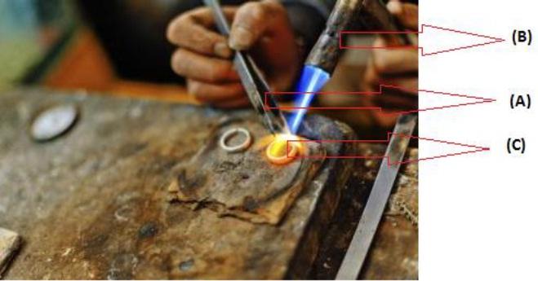 Choose the correct alternative that identifies all (A),(B) & (C). | A – Metal holder. B – Burnisher. C – Metal Plate. | A – Tweezers. B – Soldering Torch. C – Metal Sheet. | A – Pushers. B – Lighting Torch. C – Metal ring. | None of these. | A – Tweezers. B – Soldering Torch. C – Metal Sheet.
68 | HMG - Components | Q0603 | N0603 | PC2,PC3,PC4 | Easy | 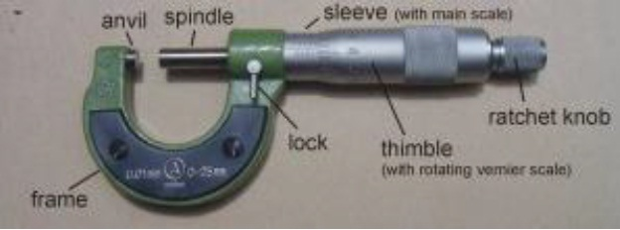 Find out which of the following is wrongly printed as a part of the micrometer. | Spindle. | Thimble. | Sleeve | All are correct. | All are correct.
69 | HMG - Components | Q0603 | N0603 | PC4,PC7 | Easy | Over filing could _________________ | Damage the frame. | Shine the frame. | Smoothen the frame. | Polish the frame. | Damage the frame.
70 | HMG - Components | Q0603 | N0602 | PC1 | Difficult | 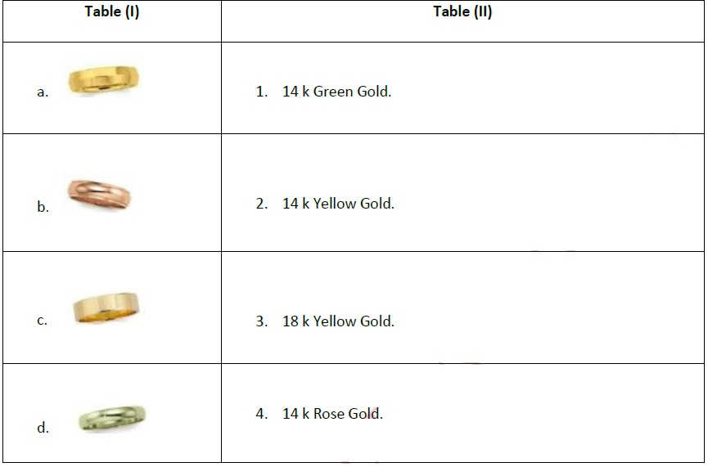 Match the following and choose the correct alternative. | a – 3, b – 4, c – 1, d – 2. | a – 4, b – 2, c – 3, d – 1. | a – 3, b – 4, c – 2, d – 1. | a – 1, b – 2, c – 3, d – 4. | a – 3, b – 4, c – 2, d – 1.
71 | HMG - Components | Q0603 | N0604 | PC2 | Moderate | You intend to connect two pieces of metal together without soldering and also add a design element. What other alternative method you should follow for achiving the same. | Dapping. | Punching. | Riveting. | None of these. | Riveting.
72 | HMG - Components | Q0603 | N0603,N0604 | PC4(N0603),PC3(N0604) | Moderate | To control gold loss during jewelry making which among the following should be followed? | Collect gold dispersed during the day ( dust and fragments) | Tally accounts as per allowed standards for the design. | Conduct regular and controlled environment cleaning for collection. | All of these. | All of these.
73 | HMG - Components | Q0603 | N0602 | PC2,PC4,PC5 | Moderate | 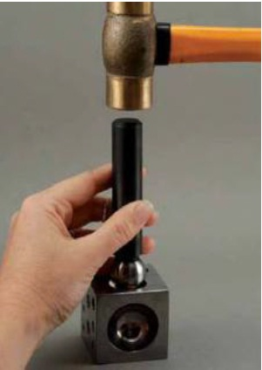 Identify the following process. | Annealing. | Dapping. | Riveting. | None of these. | Dapping.
74 | HMG - Components | Q0603 | N0602 | PC1 | Moderate | You require a tool which has a diagonal shaped ridge, as you need to cut a heavy metal rod. Which tool are you actually looking for? | Surforms. | Saws. | Planes | Files | Saws.
75 | HMG - Components | Q0603 | N0603 | PC6 | Easy | It has been noticed that you receive components with fault and defect. As a result you can not meet the targated output that is expected from you. You asked your colleague about the problem and he advised you to adhere to the company policy. What should you do in future if you face similer types of problem as per the company policy? | Keep the components as it is. | Inform the supervisor. | Pass on to your colleague. | Inform the owner. | Inform the supervisor.
76 | HMG - Components | Q0603 | N0602 | PC2,PC6 | Difficult | 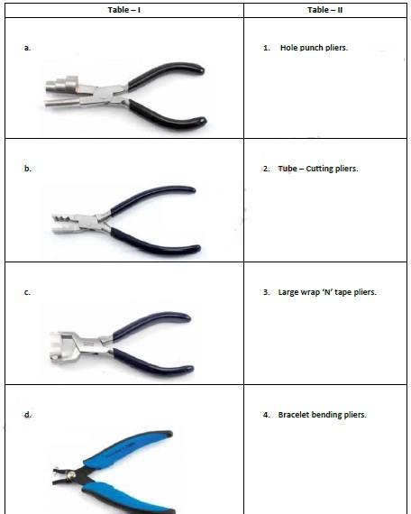 Match the following and choose the correct alternative. | a – 3, b – 2, c – 4, d – 1. | a – 2, b – 3, c – 1, d – 4. | a – 3, b – 1, c – 2, d – 4. | None | a – 3, b – 2, c – 4, d – 1.
77 | HMG - Components | Q0603 | N0604 | PC2 | Moderate | 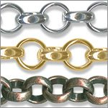 This type of chain is known as 'Rollo or belcher', what you should do if you intend to make it a 'Cable' chain? | It is same as cable chain, hence no effort is required. | In order to make it a cable chain we need to cut out the alternate parts from the chain and joining the rest with one another. | We can't make other type chain from a perticular one. | None. | In order to make it a cable chain we need to cut out the alternate parts from the chain and joining the rest with one another.
78 | HMG - Components | Q0603 | N0603 | PC1,PC3 | Easy | 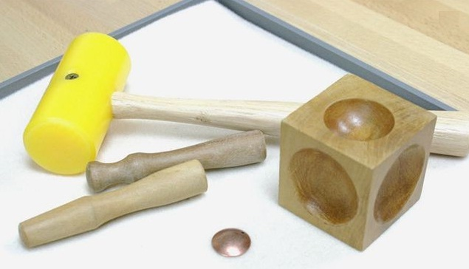 You need to provide a convex shape to your metal sheet.For this purpose you are using the tools showing in the picture. Find out the incorrect steps that you should not follow while doing the work. | Choose the metal sheet that needs to be curved must be greater in size than that of the depression of the doming block | Hammer on slowly and gently on the metal sheet. | Use light and proportionate hammer instead using a big and hard one. | All of this are correct in this context. | Choose the metal sheet that needs to be curved must be greater in size than that of the dome.
79 | HMG - Components | Q0603 | N0603 | PC2,PC3 | Moderate | If you are done with the curving your metal sheet at first stage and would want to curve it more but your metal sheet has already curved according to the dome, what shall you do to curve it more? | The shape thus obtained can not be curved further, if we try to, it may incur fracture, crack, uneven shape etc. | Once you have dapped as much as you can in this depression you can move the metal piece to the next smaller depression and repeat the dapping process to create a deeper dome. Continue gradually decreasing the size of the depression used until the metal piece reaches the desired depth. | You need to hold the metal with a drawing tonge and heat it. When the metal become soft enough to bend, you need to use a flat tweezer to bend the metal more in order to get the desired curve. | None Of these. | Once you have dapped as much as you can in this depression you can move the metal piece to the next smaller depression and repeat the dapping process to create a deeper dome. Continue gradually decreasing the size of the depression used until the metal piece reaches the desired depth.
80 | HMG - Components | Q0603 | N0602 | PC1 | Easy | 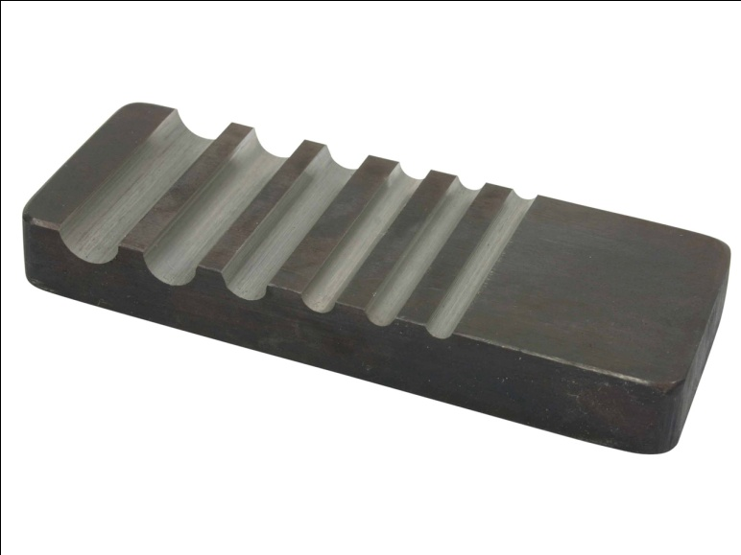 The tool shown above is a useful for making jewelry. The tool is called Groover Block. When will you use this tool? | Forming gold ball from gold sheet. | Forming gold Pipe from gold sheet. | Either (A) & (B) | None of these. | Forming gold Pipe from gold sheet.
81 | HMG - Components | Q0603 | N0602 | PC1 | Moderate | While making metal pipes in work shop which of the following step(s) should not be followed? | Cut a metal strip to the desired length with extra for cutting a point on the end. Refine edges. Anneal. Mark a lengthwise center line from the point to the other end. | Lay the strip in a groove in the forming block. Set a round mandrel or rod along the line. Strike the mandrel with a mallet. | Pull the metal through a drawplate by grasping the point. Continue pulling until the edges of the metal meet; do not allow them to overlap. Solder the seam if desired. | All of the given options are steps of metal pipe making. | All of the given options are steps of metal pipe making.
82 | HMG - Components | Q0603 | N0603 | PC7 | Easy | 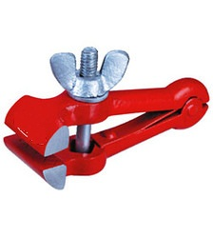 You have to file a round metal sheet with sand files. You choose the above pictured tool to hold the metal tightly, as your supervisor advised you to use this perticular tool, when you are filing metal sheets. You have to name this tool. | Drawing Tong | Curved Tweezer | Hand - Vice | Scoop. | Hand - Vice
83 | HMG - Components | Q0603 | N0604 | PC1,PC4,PC5 | Easy | 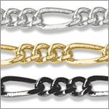 Your supervisor asked you to make 10 pcs of similer chains as shown in the picture and asked you to keep them in relevant chain rack and also requested you to update the productivity report, as he is taking an early leave on this day. Due to heavy work load you misplaced the picture before starting to work on the same. What & how you should proceed to accomplish the task? | Must not complete the work, as without reference working may lead to producing defective item. | Must call the supervisor and asked him to come back and provide a new design as you have lost the one that you had. | Must look into the file and get an alternative copy of the design of a Figaro Chain, as you know that the particular design is a type of figaro chain. Complete the assignment and update the productivity report. | None. | Must look into the file and get an alternative copy of the design of a Figaro Chain, as you know that the particular design is a type of figaro chain. Complete the assignment and update the productivity report.
Statement linked Question 84 to 86
Read the passage carefully and answer the following questions : Pickle is a liquid compound used to remove oxidation and flux from newly soldered jewelry. It is what you put your pieces into to clean them after soldering. Metal that has been soldered produces oxidation on the outside of it. Allowing the metal to cool and then dropping it into the pickle removes the oxidation.The metal should also be pickled before the soldering process to clean it. Pickle works best when it is heated. A small crock pot with a lid is recommended for containing the pickle. Keep it on the Low setting. Generally Pickle lasts for a very long time if the lid is kept off, the pickle will evaporate.
84 | HMG - Components | Q0603 | N0602 | PC5 | Moderate | Barely had you dipped your soldered metal into the pickle when you found that the color of the pickle is blue. What should be your course of action in such circumstance? | It is pretty normal, the pickle is fine, you must go ahead and dip the metal into the pickle. | Blue color indicates, it is the time to change the pickle as it no longer has the ability to remove impurity from the metal. | You must add some distilled water and warm the solution. | None. | Blue color indicates, it is the time to change the pickle as it no longer has the ability to remove impurity from the metal.
85 | HMG - Components | Q0603 | N0602 | PC5 | Moderate | You found that the lid of the pickling tank is kept off for a longer period, as a result some solution got evaporated. What should you do to replenish the same? | Change the pickle with a new solution. | Add some baking powder. | Add distilled water to replenish. | Cover the lid and will keep heating unless it start boiling. | Add distilled water to replenish.
86 | HMG - Components | Q0603 | N0602 | PC3,PC5 | Easy | What is/are the correct steps to dispose off the pickle? 1. Neutrilize the solution. 2. Pouring it into a separate container. 3. Adding Baking Soda proportionately. | Only 1. | All 1,2,3. | Only 1 & 3 | None of these. | All 1,2,3.
87 | HMG - Components | Q0603 | N0602 | PC5 | Difficult | "Sparex #2 – a sodium bisulfate liquid that is the most popular pickle choice among jewelers. It comes in a granulated form to be added to distilled water. It is toxic and will ruin clothing that comes in contact with it. It must be neutralized before disposing. Copper tongs must be used for extracting the jewelry. It is also advisable to use gloves and mask during working with this." - This statement is written in the notice board of your lab where different pickling chemicals are kept. Find out which of the following statements is a strong arguement in this context? | Sparex #2 is a bio degradable substance. | It is a very strong solution and it works very fast as compared to other. | It is a non bio degradable substance and will last significantly more than that of the biodegradable ones. | Both (B)& ( C ) | Both (B)& ( C )
88 | HMG - Components | Q0603 | N0603 | PC1,PC2,PC3,PC4 | Moderate | While dapping a metal sheet in order to get an evenly curved shape, what should you not do? | Whack the hammer as hard as you can at once. | Tap the metal gently with a plastic mallet and keep tapping until it is shaped as desired. | Hold the hammer in an angle rather than holding it straight. | Either (1) or (2) | Whack the hammer as hard as you can at once.
89 | HMG - Components | Q0603 | N0601 | PC1,PC6 | Moderate | While rolling a metal sheet using a rolling machine you observe that the sheet curves to one side. What could be the reason behind this? | The rolls have more pressure on one side: The rolls are worn on one side or the regulating screws are tightened unequally. | Irregular roller prresure; Center is worn. | The direction of rolling was changed without annealing. | Either the metal has impurities or has exceeded the breaking strength, or has cevelopedlarge grain formation. | The rolls have more pressure on one side: The rolls are worn on one side or the regulating screws are tightened unequally.
90 | HMG - Components | Q0603 | N0601 | PC1,PC6 | Difficult | While rolling a metal sheet using a rolling machine you observe that the metal sheet cracks on the edges. What could be the remedy to this problem? | Equalize the screw positions. Have the rolls turned down to dress them. | Open the cracks out broadly with a saw and anneal. Re-finish the ingot mold. Re-melt and purify the metal. | Anneal and planish the part of the metal that has not been stretched enough. The roolers should be turned down to dress them. | Re-melt and purify the metal or send it to a refiner. | Anneal and planish the part of the metal that has not been stretched enough. The roolers should be turned down to dress them.
91 | HMG - Components | Q0603 | N0603 | PC4 | Easy | In every day work, which of the following should you not follow as a part of your job responsibility? | Collect precious metal dust or fragments dispersed during the day | tally account as per allowed standards for wire making | conduct regular cleaning for collection of gold as per company policy | All of them are essential. | All of them are essential.
92 | HMG - Components | Q0603 | N0601 | PC1,PC2,PC3,PC4,PC5,PC6 | Easy | If you have gathered experience in jewelry industry and become an experts in this field you will be called a/an_______ | Artisan | Bench Worker | Entrepreneur | Either (A) or(B) | Either (A) or(B)
93 | HMG - Components | Q0603 | N0604 | PC1,PC2 | Moderate | You have to cut the threads inside of a metal pipe. Which cutter you must choose to achive best output? | Tubing cutter | Die | Tap | Pipe Cutter | Tubing cutter
Statement Linked Question : 94 - 95
Read the passage and answer the following : A sandblaster works on a principle that finely ground silica sand is used to clean and abrade a surface, typically metal, of any rust, paint or other unwanted surface materials. This is done by means of an air-powered pressure gun that fires out the sand at high velocity to impact with the intended surface. All sandblasters use said pressurized gun, which has a ceramic barrel or interior coating to prevent the sand from eroding it over time.
94 | HMG - Components | Q0603 | N0603 | PC1,PC2 | Easy | A sandblaster is useless in jewelry industry | True. | False. |  |  | False.
95 | HMG - Components | Q0603 | N0603 | PC1,PC2 | Easy | While you are working with a sandblaster machine the greatest drawback you report is -- You have to fill the machine with new sand every time after the pressure gun is used. | True. | False. |  |  | False.
96 | HMG - Components | Q0603 | N0604 | PC1,PC2 | Easy | 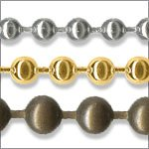 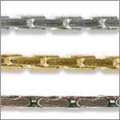 You are making a chain by cascading these two types of chains shown in the image. Your supervisor saw you doing some innovative design. He asked you which two combinations you are using? What would be your reply? | Bead chain, Cable Chain | Ball Chain, Bead Chain | Ball Chain, Cable Chain | Bead Chain, Curb chain | Ball Chain, Bead Chain
97 | HMG - Components | Q0603 | N0603 |  | Easy | 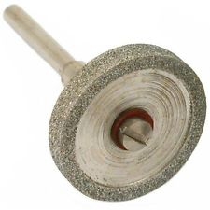 You use this tool for smooth finishing of your metal. This provides a very fine surface to your metal. What is this tool called? | Emery Mandrel | Circular Mandreal. | Sandblaster. | None. | Emery Mandrel
98 | HMG - Components | Q0603 | N0603 | PC1 | Easy | 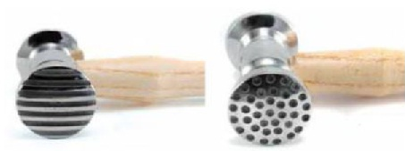 You are using this two hammers for making your design as per your supervisor's instruction. What design you are making? | Riveted. | Textured. | Beaded | None. | Textured.
99 | HMG - Components | Q0603 | N0601 | PC1,PC4,PC6 | Difficult | While rolling a metal sheet using a rolling machine you observe that the sheet is heavily cracked, brittle, or has mosaic-like crack formation. What could be the reason and remedy of this problem? | Reason: An unsuitable ingot mold. The material has been stressed beyond it’s breaking point. The material has impurities in it. There has been large grain formation caused by too-frequent annealing Remedy: Open the cracks out broadly with a saw and anneal. Re-finish the ingot mold. Re-melt and purify the metal. | Reason : The direction of rolling was changed without annealing. Remedy : Anneal and planish the part of the metal that has not been stretched enough. | Reason: Either the metal has impurities or has exceeded the breaking strength, or has cevelopedlarge grain formation. Remedy: Re-melt and purify the metal or send it to a refiner. | Any one of the above. | Reason: Either the metal has impurities or has exceeded the breaking strength, or has cevelopedlarge grain formation. Remedy: Re-melt and purify the metal or send it to a refiner.
100 | HMG - Components | Q0603 |  |  | Easy | 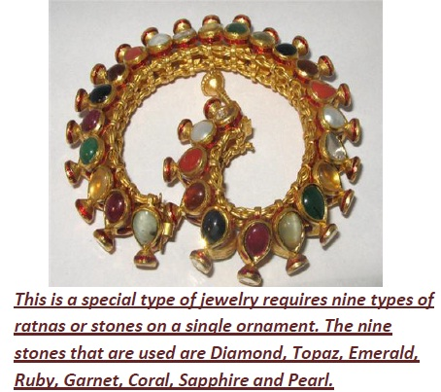 What is the name of the jewelry? | Pachchikam Jewellry. | Navratan Jewellry. | Filigiri Jewelry. | None. | Navratan Jewellry.
101 | HMG - Components | Q0603 | N9910 | PC2 | Easy | Which of the following can be a patent? | Product design | Technological Advance | A logo or a brand name | All of the above | All of the above
102 | HMG - Components | Q0603 | N9910 | PC2 | Easy | ‘Intellectual Property Rights (IPR)’ protects the use of information and ideas that are of___ | Ethical value | Moral value | Social value | Commercial value | Commercial value
103 | HMG - Components | Q0603 | N9910 | PC2 | Easy | The term ‘Intellectual Property Rights’ covers____ | Copyrights | Know-how | Trade dress | All of the above | All of the above
104 | HMG - Components | Q0603 | N9910 | PC3 | Moderate | Which of the following cannot be exploited by assigning or by licensing the rights to others? | Patents | Designs | Trademark | All of the above | Trademark
105 | HMG - Components | Q0603 | N9910 | PC2 | Easy | As a general rule | Intellectual property rights are assignable | Moral rights can be assigned but not waived | Intellectual property rights are not assignable | Only (A)&(B) | Only (A)&(B)
106 | HMG - Components | Q0603 | N9910 | PC1,PC2 | Moderate | In ‘quid-pro-quo’, quo stands for | Knowledge disclosed to the public | Monopoly granted for the term of the patent | Exclusive privilege of making, selling and using the invention | None of the above | Monopoly granted for the term of the patent
107 | HMG - Components | Q0603 | N9910 | PC2,PC3 | Moderate | Trade mark ____ | is represented graphically | is capable of distinguishing the goods or services of one person from those of others | may includes shapes of goods or combination of colours | All of the above | All of the above
108 | HMG - Components | Q0603 | N9910 | PC2 | Easy | IPR exists in the form of_____ | Trademark | Patent | Geographical Indicators (GIs) | All of the above | All of the above
109 | HMG - Components | Q0603 | N9910 | PC3 | Difficult | ‘Fair use’ is a term most relevant to: | Intellectual Property Rights. | Books borrowed for home reading | Copy right | Use of reference books | Copy right
110 | HMG - Components | Q0603 | N9910 | PC1,PC2,PC3 | Easy | WIPO stands for: | World Information and Patents Organisation. | World Intellectual Property Organisation | World International Property Organisation. | World Information Protection Organisation | World Intellectual Property Organisation
111 | HMG - Components | Q0603 | N9910 | PC3 | Moderate | __________ is an intangible creation of the human mind, usually expressed or translated into a tangible form that is assigned certain rights of property. | Intellectual property | Trade Mark | Copy right | All of these | Intellectual property
112 | HMG - Components | Q0603 | N9910 | PC1,PC3 | Difficult | Intellectual property shall include the right relating to, which of the following(s):- a. Literary, artistic and scientific works. b. Performance of performing artists. c. Inventions in all fields of human endeavor. d. Scientific discoveries. e. Industrial designs. f. Trademarks, service marks and etc. g. Protection against unfair competition. | Only (a),(b) & (e) | Only (a),(b) & (c). | All of them | Only (a),(d) & (g). | All of them
113 | HMG - Components | Q0603 | N9910 | PC1,PC3 | Moderate | What is the term of patent in India? | 25 years | 20 years | 10 years | 15 years | 20 years
114 | HMG - Components | Q0603 | N9910 | PC3 | Moderate | Which of the followings provides the creator of an original work exclusive right to it? | Patent. | Copyright | Design Right. | Trademark | Copyright
115 | HMG - Components | Q0603 | N9910 | PC1,PC3 | Moderate | Which among the following is true about design? a. Designs are covered under IPR. b. Designs are valid for Maximum of 10 years. c. The laws governing designs are ‘Designs Act 2000’ and the ‘Designs Rule 2001’. d. It is renewable for further 5 years after validity. | Only (b) & (d) are correct. | Only (a) is correct | Only (b),(c) & (d) are correct | All of them are correct | All of them are correct
116 | HMG - Components | Q0603 | N9910 | PC2 | Moderate | Which of the following is not included in design ______? | Features of shape | Composition of lines or colours | Mode or principle of construction | None of the above | Mode or principle of construction
117 | HMG - Components | Q0603 | N9912 | PC2 | Easy | The person who works by coordinating his work activities with others, in order to accomplish his goals, is called a(an) ______ | Manager | Operation Supervisor | Intelligent Individual | Supervisor of production work | Manager
118 | HMG - Components | Q0603 | N9912 | PC3 | Easy | Which process gets activities completed and effectively with and through other people | Supervision | Leading | Management | Controlling | Management
119 | HMG - Components | Q0603 | N9912 | PC4 | Easy | The condition(s) responsible for making an effective team include(s)____ | Adequate sharing amongst team members | Passion in the team | A common purpose and commitment to the team | All of these | All of these
120 | HMG - Components | Q0603 | N9912 | PC5 | Moderate | Mark the most correct completion of this sentence beginning: Cross-cultural communication: | Should be jargon to be more informal | Is difficult because no precise translation may exist. | Deals only with words and their meanings | Is consistent because all communicators share a common language background | Is difficult because no precise translation may exist.
121 | HMG - Components | Q0603 | N9912 | PC2 | Easy | Select the statement about business communication that is not true. | Upward and downward | Business communication takes many forms–oral, printed and electronic. | In business you will be judged on your professional expertise, not on your communication ability. | If you communicate well, you are likely to be promoted | In business you will be judged on your professional expertise, not on your communication ability.
122 | HMG - Components | Q0603 | N9912 | PC1,PC4,PC5 | Difficult | When we consider the communication activities of an organization from an overall point of view, the activities fall into three broad categories: ________________. | Electronic, face-to-face, and internal | External operational, external, and personal | Internal operational, external operational, and personal | Operational, face-to-face, and personal | Internal operational, external operational, and personal
123 | HMG - Components | Q0603 | N9912 | PC4,PC5 | Moderate | External communication can involve communication with _____________ | Suppliers | Service companies | Customers | All of the above | All of the above
124 | HMG - Components | Q0603 | N9912 | PC5 | Difficult | In the workplace, internal personal communication ___________ | is unacceptable | Can have a significant impact on the success of the operation | Should be encouraged with no restrictions | All of the above | Can have a significant impact on the success of the operation
125 | HMG - Components | Q0603 | N9912 | PC2,PC4 | Difficult | An email message sent from the production supervisor to a customer is classified as: | External-operational communication | Internal-operational communication | Personal communication | None of the above | External-operational communication
126 | HMG - Components | Q0603 | N9912 | PC4,PC3 | Difficult | The informal network of an organization consists of: | A single relationship of networks. | A complex relationship of small networks. | A simple, straight-line relationship | A relationship restricted to gossipers | A complex relationship of small networks.
127 | HMG - Components | Q0603 | N9912 | PC4 | Easy | Which of the following is a phase of group interaction? | Orientation | Conflict | Emergence | All of the above | All of the above
128 | HMG - Components | Q0603 | N9912 | PC2,PC3 | Easy | _____ are individuals who get things done through other people. | Leaders. | Psychologist. | Organizations | Managers | Managers
129 | HMG - Components | Q0603 | N9912 | PC3 | Moderate | Through the _____ function, managers monitor the performance of the organization and significant deviations. | Organizing | Planning | Leading | Controlling | Controlling
130 | HMG - Components | Q0603 | N9912 | PC3 | Easy | A failure to report to work is termed _____. | Delinquency. | Insubordination | Turnover | Absenteeism | Absenteeism
131 | HMG - Components | Q0603 | N9912 | PC1 | Easy | Organizational behavior is ------- | A science | An art | A science as well as an art too | None of the above. | A science as well as an art too
132 | HMG - Components | Q0603 | N9912 | PC2,PC4 | Easy | Organizational structure refers to coordination and | Division of labor | Assumption of authority | Decentralized decision making | Delegation of authority | Division of labor
133 | HMG - Components | Q0603 | N9914 | PC2 | Easy | While working with machinery, one must wear____ | An Apron | Gloves | Safety glasses | A hair tie | Safety glasses
134 | HMG - Components | Q0603 | N9914 | PC1 | Moderate | At workplace, what kind of security procedure is applicable? | Issuing security badges and identity cards to all people at the workplace. | Having all the assets under lock | Preventing theft, pilferage and damage of assets and being vigilant with the security of the assets. | None of these | Preventing theft, pilferage and damage of assets and being vigilant with the security of the assets.
135 | HMG - Components | Q0603 | N9914 | PC3 | Easy | Risk assessment can help you to_____ | Report accidents | Do the job safely | Identify the first aid box | None of these. | Do the job safely
136 | HMG - Components | Q0603 | N9914 | PC1,PC2 | Easy | Accidents are prevented by. | The managing Director | Employers inspecting Workplace | People being aware of Hazards and working in a safe manner | The health and safety executive | People being aware of Hazards and working in a safe manner
137 | HMG - Components | Q0603 | N9914 | PC2 | Easy | The primary purpose of employee safety programme is to preserve the employees’ | Mental health | Physical health | Emotional health | All of the above | All of the above
138 | HMG - Components | Q0603 | N9914 | PC1 | Moderate | What is risk Assessment? | The working hours of the organization | How to report accidents | Where the first aid box is and first aiders. | How to do the job safely | How to do the job safely
139 | HMG - Components | Q0603 | N9914 | PC2,PC3 | Easy | Work place related injuries, illness and deaths impose cost upon______ | Employers | Employees | All of them | Community | All of them
140 | HMG - Components | Q0603 | N9914 | PC2 | Easy | A minimum emergency procedure should include____ | Exits, Muster point, First Aid Procedures, fire Procedures, Safety Reps | Exits, Muster point, First Aid Procedures, Fire Procedures | Exits, Muster point, First Aid Procedures, fire Procedures, Site PPE | Exits, Muster point, First Aid Procedures, fire Procedures, WHMIS | Exits, Muster point, First Aid Procedures, Fire Procedures
141 | HMG - Components | Q0603 | N9914 | PC2,PC3,PC1 | Easy | The four phases of emergency response are____ | Preparedness, Response, First Aid, Transportation | Preparedness, First Aid, Transportation, Mitigation | Preparedness, Response, Recovery, Mitigation | Response, Recovery, Mitigation, Transportation | Preparedness, Response, First Aid, Transportation
142 | HMG - Components | Q0603 | N9914 | PC1 | Easy | Once you have spotted a hazard you must_____ | Report it to your superior and raise alarm | Leave it as someone else will fix it eventually | Bring your own toolbox to work and fix it yourself | None of the above | Report it to your superior and raise alarm
143 | HMG - Components | Q0603 | N9914 | PC1 | Easy | Cutting and polishing risks include____ | Dust inhalation | Eye strain | Poor posture | All of the above | All of the above
144 | HMG - Components | Q0603 | N9914 | PC2 | Easy | One must wear a _________ while working with a hydraulic press | A face shield | A safety glass | Gloves | Either (i) or (ii) | Either (i) or (ii)
145 | HMG - Components | Q0603 | N9914 | PC2,PC3 | Easy | During welding process one must_____ | Keep a minimum distance | Must wear a face shield | The area should be properly ventilated. | Both (ii) & (iii) | Both (ii) & (iii)
146 | HMG - Components | Q0603 | N9914 | PC1,PC2,PC3 | Moderate | Four generalized steps for inspections are | Plan, Inspect, Report, Follow Up | Inspect, Prioritize, Follow Up, Report | Inspect, Report, Notify, Follow Up | Plan, Notify, Inspect, Report | Plan, Inspect, Report, Follow Up
147 | HMG - Components | Q0603 | N9914 | PC1,PC2 | Moderate | The desire to maintain a safe laboratory environment for all begins with _________ | Prevention | Microbiology | Ubiquity | Accidents | Prevention
148 | HMG - Components | Q0603 | N9914 | PC3,PC2 | Moderate | Inspection are a means to identify existing and potential________ | Unsafe condition. | Faulty Equipment | Unsafe Acts | Hazards | Hazards
149 | HMG - Components | Q0603 | N9914 | PC1,PC2 | Moderate | Which of the following is correct for risk assessment | It is a good idea to do but not essential | Only needs to be done for hazardous work. | Only do it if the job is a big job | It is a legal requirement and must always be carried out prior to startup the job | It is a legal requirement and must always be carried out prior to startup the job
150 | HMG - Components | Q0603 | N9914 | PC2 | Easy | The way health and safety matters in the workplace are managed: | Health and safety laws and regulations that apply | Safety at work involves planning and thinking | Develop and implement procedures and processes to manage hazards | All of the Above | All of the Above

